Hist skew kut
 | Age |  |  |  |  |  |  |  |  |  | Pop Avg Age = UB = ? LB = ? |  |  |  |  |  |  |  | sat, 3.10 pm
1 | 16 |  |  |  | andrson darling test, shapiro-wilk, kolmogorov smirnov, jacque bera test |  |  |  |  |  | 31-45 @ 95% Confidence Level |  |  |  |  |  |  | 100
2 | 18 |  |  |  |  |  |  |  |  |  |  |  |  |  |  |  |  | 70-90 | CL, LOS
3 | 18 |  | AVG = 37.77 |  |  |  |  | ub = sample mean (37.77) + se_mean(3.43)*critical value_confidence level/LOS |  |  |  |  |  |  |  |  |  | 88
4 | 18 |  | Population Age = 37, 38, 35-39, 30-35, 35-40, 32-40, 34-41 |  |  |  |  | lb = sample mean (37.77) - se_mean(3.43)*critical value_confidence level/LOS |  |  |  |  |  |  |  |  |  | 85
5 | 19 |  |  |  |  |  |  |  |  |  |  |  |  |  |  |  |  | 60-70
6 | 20 |  |  |  |  |  |  |  |  |  |  |  |  |  |  |  |  | 75
7 | 20 |  | Less than(<)20 are 7 [20 inclusive] |  |  |  |  |  |  |  |  |  |  |  |  |  |  | 85
8 | 21 | 1
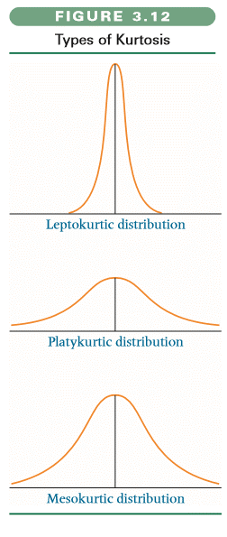
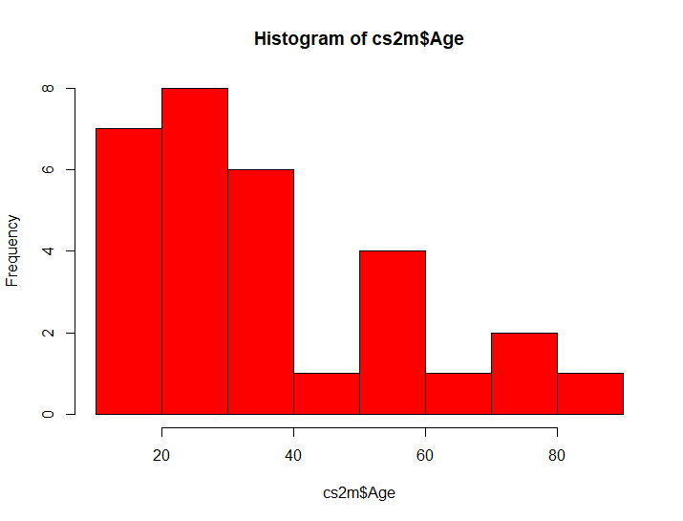
9 | 25 | 2 |  |  |  |  |  |  |  |  |  |  |  |  |  |  | se_mean = sd/SQRT(n) = 18.8/SQRT(30)
8
10 | 25 | 3 |  |  |  |  |  |  |  |  |  |  |  |  |  |  | 3.4323946937
7
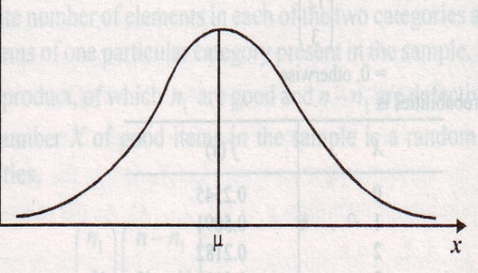
11 | 28 | 4
12 | 29 | 5
6
13 | 30 | 6
14 | 30 | 7
15 | 30 | 8 | More than 20 and less than equal to 30 [30 inclusive]
4
16 | 32 | 1
17 | 35 | 2
18 | 36 | 3
2
19 | 38 | 4
1
1
1
20 | 40 | 5
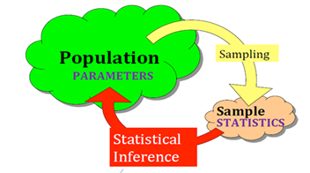
21 | 40 | 6 | More than 30 and less than equal to 40 [40 inclusive] |  |  |  |  |  |  |  |  |  |  |  |  |  |  |  |  |  |  | SPSS/R/Python/SAS/MINITAB
22 | 45 | 1 | More than 40 and less than equal to 50 [50 inclusive] |  |  |  |  |  |  |  |  |  |  |  |  |  |  |  |  |  |  | T tests….....critical value |  |  | ANOVA
23 | 56 | 1 |  |  |  |  |  |  |  |  |  |  |  |  |  |  |  |  |  |  |  |  | Z crt Value OR t crit Value??
24 | 56 | 2 |  |  |  |  |  |  |  |  |  |  |  |  |  |  |  |  |  |  |  | student | small …..........t distribution : thicker tails and flatter bump
25 | 58 | 3 |  |  |  |  |  |  |  |  |  |  |  |  |  |  |  |  |  |  |  |  |  | t crit | small---t crit, LARGE: tcrit ----->> Z crit
26 | 59 | 4 | More than 50 and less than equal to 60 [60 inclusive]
27 | 65 | 1 | More than 60 and less than equal to 70 [70 inclusive] |  |  |  |  |  |  |  |  |  |  |  |  |  |  |  |  |  |  | 95 5
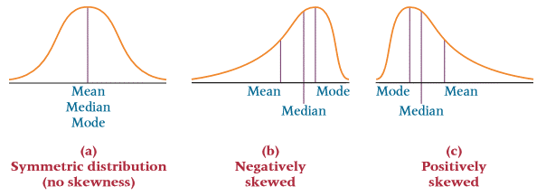
28 | 72 |  |  |  |  |  |  |  |  |  |  |  |  |  |  |  |  |  |  |  |  | CL LOS
29 | 73 | 2 | More than 70 and less than equal to 80 [80 inclusive] |  |  |  |  |  |  |  |  |  |  |  |  |  |  |  |  |  |  |  | 1.96 | SD/SQRT(n)
30 | 81 | 1 | More than 80 and less than equal to 90 [90 inclusive] |  |  |  |  |  |  |  |  |  |  |  | Exam/Quiz |  |  |  |  | 37.77 | LB UB…LL…UL; +, -Crit Value * SE (Mean)
 |  |  |  |  |  |  |  |  |  |  |  |  |  |  | Gor | 100 | range LB UB |  |  | 35
 |  |  |  |  |  |  |  |  |  |  |  |  |  |  |  | 95 | 90-97 |  |  | 37 |  | LB = | 30
 |  |  |  |  |  |  |  |  |  |  |  |  |  |  |  | 80 | 75-85 |  |  | 34 |  | UB = | 44
 | 31-45 @ 95% Confidence Level |  |  |  |  |  |  |  |  |  |  |  |  |  |  | 98 | 85-100
 |  |  |  |  |  |  |  |  |  |  |  |  |  |  |  | 90 |  |  | Jaya | average of the 95% of the population lie btwn 30 and 44
cushon1 | As per the evidence thrown by the sample, |  |  |  |  |  |  |  |  |  |  |  |  |  |  | 40 |  |  | Gorakh | avg value of 95% of the population lie btwn 30 and 44
cushon2 | we are 95% confident, that |  |  | 57-65 |  |  |  |  |  |  |  |  |  |  |  |  |  |  | Gorakh | avg value of 95% of sample lie btwn 30 and 44
 | Mean Age of Population will lie between 31 & 45 |  |  |  |  |  | Mean BP of POPULATION @ 90% CL data = cs2m |  |  |  |  |  |  |  |  |  |  |  | Neelam | As per the evidence thrown by the sample we are
 |  |  |  |  |  |  |  |  |  |  |  |  |  |  |  |  |  |  |  | 95% confident that avg AGE of pop will be btwn 30-44
 |  |  |  |  |  |  |  |  |  |  |  |  |  |  |  |  |  |  |  |  |  |  |  |  |  | 45
 |  |  |  |  |  |  | 95% CL |  |  |  |  |  | 2 atoms Hyd + 1 atom of Oxy = WATER
 |  |  |  |  |  |  | Level of Significance = 1- CL; 5%
 |  |  |  |  |  |  |  |  | =0.05
 |  |  |  |  |  |  | 95%
 |  |  |  |  |  | n | Z crit | t_crit
 |  |  |  |  |  | 30 | 1.96 | 2.0452296421 | 2.045 | =TINV(0.05,29)
 |  |  |  |  |  | 50 | 1.96 | 2.0095752371
 |  |  |  |  |  | 100 | 1.96 | 1.9842169516
 |  |  |  |  |  | 200 | 1.96 | 1.9719565443
 |  |  |  |  |  | 500 | 1.96 | 1.964729391
 |  |  |  |  |  | 1000 | 1.96 | 1.9623414611
 |  |  |  |  |  | 5000 | 1.96 | 1.9602012636
 |  |  |  |  |  | 10000 | 1.96 | 1.9604386467

 |  |  |  |  |  |  |  |  |  |  |  |  |  |  |  |  | =TINV(0.05,29)
 |  |  |  |  |  |  |  |  |  |  |  |  |  | 95% |  |  | 2.0452296421
 |  |  |  |  |  |  |  |  |  |  |  |  | n =30 | Z Crit | t crit
 |  |  |  |  |  |  |  |  |  |  |  |  | 30 | 1.96 | 2.0452296421
 |  |  |  |  |  |  |  |  |  |  |  |  | 50 | 1.96 | 2.009
 |  |  |  |  |  |  |  |  |  |  |  |  | 100 | 1.96 | 1.984
 |  |  |  |  |  |  |  |  |  |  |  |  | 500 | 1.96 | 1.964
 |  |  |  |  |  |  |  |  |  |  |  |  | 1000 | 1.96 | 1.96234
 |  |  |  |  |  |  |  |  |  |  |  |  | 10000 | 1.96 | 1.9602

 |  |  |  |  |  |  |  |  |  | 21
 |  |  |  |  |  |  |  |  |  | 24
 |  |  |  |  |  |  |  |  |  | 32
 |  |  |  |  |  |  |  |  |  | 36
 |  |  |  |  |  |  |  |  |  | 48 |  |  |  |  |  |  |  | 40 |  | 45
10
21
24
32
36
 |  |  |  |  |  |  |  |  |  |  |  |  |  |  |  |  |  |  |  |  |  | 48
47

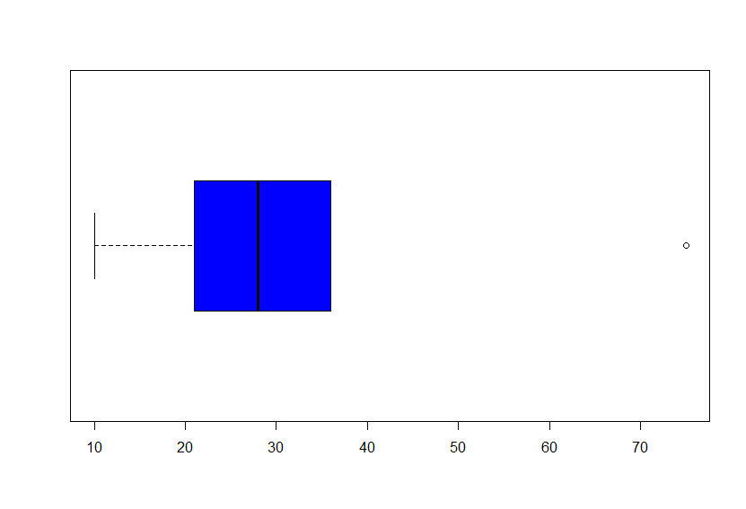

 |  |  |  |  |  |  |  |  |  |  |  |  |  |  |  |  |  |  |  |  | Q3-Q1 |  | IQR | 13.25
 |  |  |  |  |  |  |  |  |  |  |  |  |  |  |  |  |  |  |  |  | Q3+ 1.5(IQR) |  | Q1= | 21.75
 |  |  |  |  |  |  |  |  |  |  |  |  |  |  |  |  |  |  |  |  |  |  | Q3 | 35
 |  |  |  |  |  |  |  |  |  |  |  |  |  |  |  |  |  |  |  |  |  |  |  | 13.25
 |  |  |  |  |  |  |  |  |  |  |  |  |  |  |  |  |  |  |  |  |  |  | Thr High | 54.875

 |  |  |  |  |  |  |  |  |  |  |  |  |  |  |  |  |  |  |  |  |  |  | Thr Low | 1.875

 |  | Age
 |  | 21 |  | analyse
 |  | 23 |  | min
 |  | 24 |  | max
 |  | 25 |  | mean
 |  | 21 |  | mode
 |  | 26 |  | range
 |  | 27 |  | std |  | Lowest |  |  |  |  |  | Highest
 |  | 24 |  | variance |  |  | Q1 | Q2 |  | Q3
 |  | 25 |  | skewness |  |  |  | Median
 | 10k rows |  |  | iqr
 | 100k rows |  |  | sort
 |  |  |  | graph---------histogram
 |  |  |  | line graph

 |  |  |  |  |  |  |  |  |  |  |  | Kris |  | mean
 |  |  |  |  |  |  |  |  |  |  |  | trimmed mean |  | 100
 |  |  |  |  |  |  |  |  |  |  |  | 50 |  | 50
 |  |  |  |  |  |  |  |  |  |  |  | 52 |  | 52
 |  |  |  |  |  |  |  |  |  |  |  | 60 |  | 60
 |  |  |  |  |  |  |  |  |  |  |  | 65 |  | 65
 |  | CTC of Data Sciencents, 3-5 yesr in city New Delhi |  |  |  |  | By default 2.5% approx [high/low] = trimmed |  |  |  |  | 70 |  | 70
 |  | Average |  |  |  |  |  |  |  |  |  | 75 |  | 75
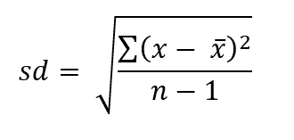
 |  |  |  |  |  |  |  |  |  |  |  | 62 |  | 20
 |  |  |  |  |  |  |  | Who is the enemy no one of |  |  |  |  |  | 61.5
 |  |  |  |  |  |  |  | SK ---> NK
 |  |  |  |  |  |  |  | Israel ---> Plats
 |  |  |  |  |  |  |  | India -----> pak/china |  |  |  |  |  | Convocation
 |  |  |  |  |  |  |  |  |  |  |  |  |  | College-----Director ----Placement Report
 |  |  |  | Team , 3 freshers |  |  |  | Japan ---> STANDARD DEVIATION
 | FRM |  |  |  |  |  |  | Strenghth ---> hard work, QUALITY |  |  |  |  |  | 1 | 16L/yeear
 | sd |  |  | A | B |  |  | Consistency |  |  |  |  |  | 2 | 8 L/yesr
 |  |  | avg maks | 75 | 78 |  |  |  |  | Variation |  |  |  | 3 | 3Lacs
 |  |  | sd | 5 | 8 |  |  | processes, methods, dimensions, etc ----SD |  |  |  |  |  | 4 | 0 lac/years
 |  |  | sd/mk)*100 | 6.6666666667 | 10.256410256
 |  |  |  |  |  |  |  |  |  |  |  |  |  | median
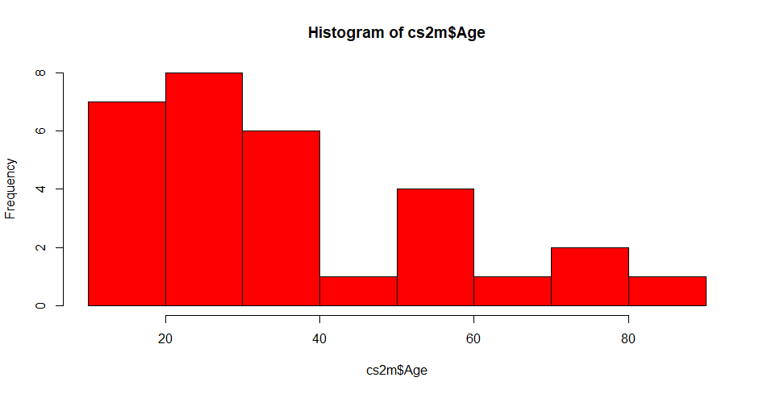
 |  |  |  |  |  |  |  |  |  |  |  |  |  | mean
 |  |  |  |  |  |  |  |  |  |  |  |  |  | Central Tendency of Data

 |  |  |  |  |  |  |  |  |  | Science -----Fundamental or Motherlaws
 |  |  |  |  |  |  |  |  |  | Moving cars -------------> Laws of Motions
 |  |  |  |  |  |  |  |  |  | Elect Engg -----------------> V = C*R
 |  |  |  |  |  |  |  |  |  | BS/ P-L ----------------------> Accountig Equastion

 |  |  |  |  |  |  |  |  |  | Normal Distribution

cook's dist
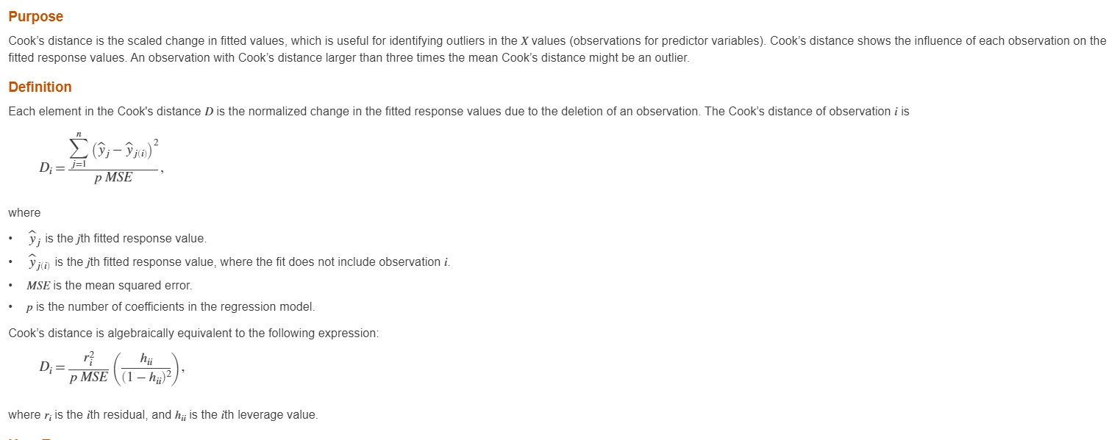

 | 4/30 =
 | 0.13333333333

https://online.stat.psu.edu/stat501/lesson/11/11.2#:~:text=The%20leverage%20hii,regression%20coefficients%20including%20the%20intercept).

060620 dsp30
 | One Sample T test |  | cs2m----Age = 40, 37.77=mean
 |  |  |  |  |  |  |  | Rain | Sales of Umbrella
 | Chi Square |  |  |  |  |  |  | Assoc = categ
 |  |  |  |  |  |  |  | Relation = contin
 | 2 var Age, 0,1 = 0, present, 1 = left |  |  |  | Association
 | categ |  |  |  |  |  |  | Rain causes sales of U
 |  |  |  |  |  |  |  | Sales of U causes Rain
 | impacting ---? |  | Influenc--------Causality

 |  |  |  |  |  |  |  | A | SALES |  |  |  | A-B | Ind
 |  |  |  |  |  |  |  | B |  | Rejected ----> TukeyHSD |  |  | A-C
 |  |  |  |  |  |  |  | C |  |  | Honest Diff
 |  |  |  |  |  |  |  | D
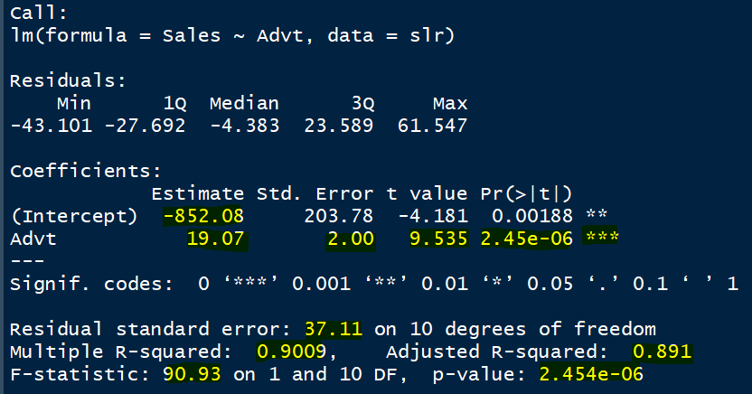
 | Predictive Model |  |  | EDA | 50% of b prob
 | Advt -----Sales |  | sales = intercet(-852.08) + reg coeff, 19.07* given value of (x)
 | correl |  | Advt=92, -852.08 +19.07*92
Observation no | Advt | Sales | Pr | error
1 | 92 | 930 | 902.39 | 27.61 |  |  |  |  | SUMMARY OUTPUT
2 | 94 | 900
3 | 97 | 1020 |  |  |  |  |  |  | Regression Statistics
4 | 98 | 990 |  |  |  |  |  |  | Multiple R | 0.94916657428
5 | 100 | 1100 |  |  |  |  |  |  | R Square | 0.90091718572
6 | 102 | 1050 |  |  |  |  |  |  | Adjusted R Square | 0.89100890429
7 | 104 | 1150 |  |  |  |  |  |  | Standard Error | 37.10688403
8 | 105 | 1120 |  | Rsq = SSR/SST |  |  |  |  | Observations | 12 |  |  |  |  |  |  |  | SUMMARY OUTPUT
9 | 105 | 1130 |  | = (SST-SSE)/SST
10 | 107 | 1200 |  | = SST/SST - SSE/SST |  |  |  |  | ANOVA |  |  |  |  |  |  |  |  | Regression Statistics
11 | 107 | 1250 |  | = 1 - SSE/SST |  |  |  |  |  | df | SS | MS | F | Significance F |  | SSR/SSE | F statistics | Multiple R | 0.94916657428
12 | 110 | 1220 |  | = 1 - SSE/(n-k-1) / SST(n-k) |  |  |  |  | Regression | 1 | 125197.45824 | 125197.45824 | 90.925675889 | 2.453819981E-06 |  | Ho: Model is not good |  | R Square | 0.90091718572
 | =cor(series1,series2) |  |  |  |  |  |  |  | Residual | 10 | 13769.208424 | 1376.9208424 |  |  |  | SSE = SSR | rej/accep | Adjusted R Square | 0.89100890429
 | 0.94916657428 | 0.90091718572 |  |  |  |  |  |  | Total | 11 | 138966.66667 |  |  |  |  |  |  | Standard Error | 37.10688403
 |  |  |  |  |  |  |  |  |  |  |  |  |  |  |  |  |  | Observations | 12
Sales vs Advt
 |  |  |  |  |  |  |  |  |  | Coefficients | Standard Error | t Stat | P-value | Lower 95% | Upper 95% | Lower 95.0% | Upper 95.0%
 |  |  |  |  |  |  |  |  | Intercept | -852.0842411 | 203.77588866 | -4.1814772431 | 0.0018832835904 | -1306.1252157 | -398.04326649 | -1306.1252157 | -398.04326649 | ANOVA
 |  |  |  |  |  |  |  |  | Advt | 19.070442992 | 1.9999425136 | 9.5354955765 | 2.453819981E-06 | 14.614293376 | 23.526592608 | 14.614293376 | 23.526592608 |  | df | SS | MS | F | Significance F
 |  |  |  |  |  |  |  |  |  |  |  |  |  |  |  |  |  | Regression | 1 | 125197.45824 | 125197.45824 | 90.925675889 | 2.453819981E-06
 |  |  |  |  |  |  |  |  |  |  |  |  |  |  |  |  | p va | Residual | 10 | 13769.208424 | 1376.9208424
 |  |  |  |  |  |  |  |  | SUMMARY OUTPUT |  |  |  | r = correlation |  |  |  | sig val | Total | 11 | 138966.66667
 |  |  |  |  |  |  |  |  |  |  |  |  | aaaaar |  |  | 2.228138852 | obsrvd Type I Error/alpha
 |  |  |  |  |  |  |  |  | Regression Statistics |  |  |  |  |  |  |  |  |  | Coefficients | Standard Error | t Stat | P-value | Lower 95% | Upper 95% | Lower 95.0% | Upper 95.0%
 |  |  |  |  |  |  |  |  | Multiple R | 0.94916657428 |  |  |  |  |  |  |  | Intercept | -852.0842411 | 203.77588866 | -4.1814772431 | 0.0018832835904 | -1306.1252157 | -398.04326649 | -1306.1252157 | -398.04326649
 |  |  |  |  |  |  |  |  | R Square | 0.90091718572 | 90% variation in Sales is explained by Advt |  |  |  |  |  |  | Advt | 19.070442992 | 1.9999425136 | 9.5354955765 | 2.453819981E-06 | 14.614293376 | 23.526592608 | 14.614293376 | 23.526592608
 |  |  |  |  |  |  |  |  | Adjusted R Square | 0.89100890429 | n, k =predictor | audience - statistics savvy , adj R Sqr
 |  |  |  |  |  |  |  |  | Standard Error | 37.10688403 | use |  |  |  | 2.22 | 37.11
 |  |  |  |  |  |  |  |  | Observations | 12 |  | x = 102, sales = ? |  | 1093 | +,- tcrit*SE(estimate,residual)
 |  |  |  |  |  |  |  |  |  |  |  |  |  |  | UB=1175;LB 1010
Sales of Umb |  |  |  |  |  |  |  |  | ANOVA
SALES |  |  |  |  |  |  |  |  |  | df | SS | MS | F | Significance F
Driven |  |  |  |  |  |  |  |  | Regression | 1 | 125197.45824 | 125197.45824 | 90.925675889 | 2.453819981E-06 |  | n-k
Dep V |  |  |  |  |  |  |  |  | Residual | 10 | 13769.208424 | 1376.9208424
Resp V |  |  |  |  | tan theta = P/B |  |  |  | Total | 11 | 138966.66667
 |  |  |  |  | angle (theta) = taninverse (P/B)
 |  |  |  |  |  |  |  |  |  | Coefficients | Standard Error | t Stat | P-value | Lower 95% | Upper 95% | Lower 95.0% | Upper 95.0%
 |  |  |  | 19 units |  |  |  |  | Intercept | -852.0842411 | 203.77588866 | -4.1814772431 | 0.0018832835904 | -1306.1252157 | -398.04326649 | -1306.1252157 | -398.04326649
 |  |  |  |  | Ho: Slope = 0 |  |  |  | Advt | 19.070442992 | 1.9999425136 | 9.5354955765 | 2.453819981E-06 | 14.614293376 | 23.526592608 | 14.614293376 | 23.526592608
 |  |  |  |  | Ho: Slope is NOT good/ |  |  |  |  |  | 2 |  | 0.00000245
 |  |  | 1 unit |  | Ho: Slope is insignificant |  |  |  |  |  | use? |  | Advt is a good predictor
 |  |  |  |  | slope (good/not good)
 |  |  |  |  |  |  |  |  | RESIDUAL OUTPUT |  |  |  | 19.07+crit_value of t * se(of slope)
 |  |  |  |  | Ha: Slope is GOOD
 |  |  |  |  | t_statistics |  |  |  | Observation | Predicted Sales | Residuals
 |  |  |  |  | p_value |  |  |  | 1 | 902.39651416 | 27.603485839
 |  |  |  |  | If p_values <= 0.05, Reject |  |  |  | 2 | 940.53740015 | -40.537400145
 |  |  |  |  |  |  |  |  | 3 | 997.74872912 | 22.251270879
 |  |  |  |  |  |  |  |  | 4 | 1016.8191721 | -26.819172113
 |  |  |  |  |  |  | Rain | ADVT | 5 | 1054.9600581 | 45.039941903
 |  |  |  |  |  |  |  | Driver | 6 | 1093.1009441 | -43.100944081
 |  |  |  |  |  |  |  | Indep V | 7 | 1131.2418301 | 18.758169935
 |  |  |  |  |  |  |  | Predictor | 8 | 1150.3122731 | -30.312273057
 |  |  |  |  |  |  |  |  | 9 | 1150.3122731 | -20.312273057
 |  |  |  |  |  |  |  |  | 10 | 1188.453159 | 11.546840959
 |  |  |  |  |  |  |  |  | 11 | 1188.453159 | 61.546840959
 |  |  |  |  |  |  |  |  | 12 | 1245.664488 | -25.664488017

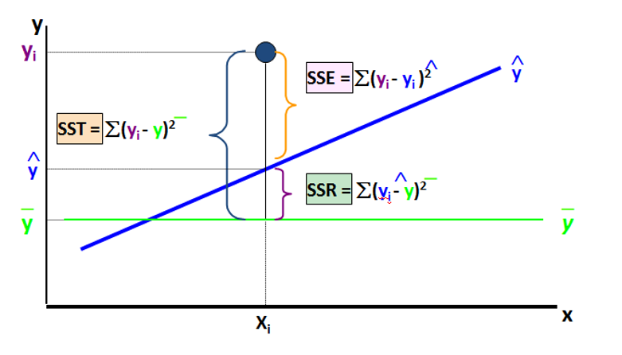
Sales of Umb
SALES
Driven
Dep V
Resp V |  |  |  |  | tan theta = P/B |  |  |  |  |  |  |  |  |  | R Squared
 |  |  |  |  | angle (theta) = taninverse (P/B) |  |  |  |  |  |  |  |  |  | SSR/SST should be as maxm as possible
 |  |  |  |  |  |  |  |  |  |  |  |  |  |  | for a good model
 |  |  |  | 19 units
 |  |  |  |  | Ho: Slope = 0
 |  |  |  |  | Ho: Slope is NOT good/
 |  |  | 1 unit |  | Ho: Slope is insignificant
 |  |  |  |  | slope (good/not good)

 |  |  |  |  | Ha: Slope is GOOD
 |  |  |  |  | t_statistics
 |  |  |  |  | p_value |  |  |  |  |  |  |  |  |  |  | sse>ssr
 |  |  |  |  | If p_values <= 0.05, Reject |  |  |  |  |  |  |  |  |  |  | sse = ssr
 |  |  |  |  |  |  |  |  |  |  |  |  | sst = sse + ssr |  |  | sse<ssr
 |  |  |  |  |  |  |  |  |  |  |  |  | SST SSR SSE |  |  | sse
 |  |  |  |  |  |  | Rain | ADVT |  | Good | Not Good | 1 | SSE shld be minimum
 |  |  |  |  |  |  |  | Driver |  | hp | disp | 2 | SST shld be low
 |  |  |  |  |  |  |  | Indep V |  | wt | drat | 3 | sse and ssr 2:1 | sse/ssr = 2; sse = 2ssr
 |  |  |  |  |  |  |  | Predictor |  |  |  | 4 | sse/ssr = 1

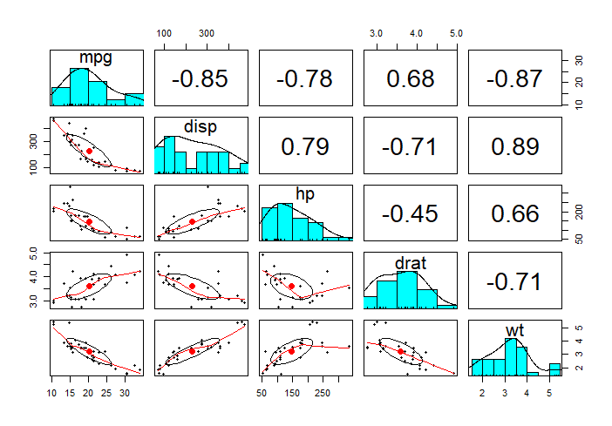
 |  |  |  |  |  |  |  |  | 83.76% of variation in mpg is explained by all 4 , collectively

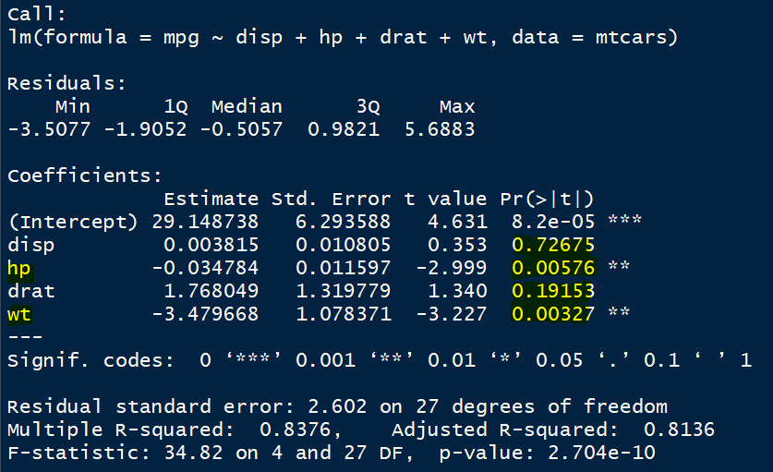

 |  |  |  |  |  |  |  |  |  |  |  |  |  |  |  | 5 Multicollinearity

 |  |  |  |  | n-k-1 |  |  |  |  |  |  |  |  |  |  |  | 0.7225

 |  |  |  | Ho: Slope = 0
 |  |  |  | Ho: Slope is NOT good/ |  |  |  |  | Tom, interview, *10, interesting =0.70 | Mohini | Dr Vinod | Reg Model | Boss
 |  |  |  | Ho: Slope is insignificant |  |  |  |  |  | Genpect |  | RV xplan
 |  |  |  | slope (good/not good) |  |  |  |  |  |  |  | by pred
 |  |  |  |  |  |  |  |  |  |  |  | R Square
 |  |  |  | Ha: Slope is GOOD
 |  |  |  | t_statistics |  |  |  |  | 1, 90% | y | y | 90% in RV | H
 |  |  |  | p_value |  |  |  |  | 2, 80% | y | y | 80% | H
 |  |  |  | If p_values <= 0.05, Reject |  |  |  |  | 3, 60% | y | y | 60% | accpt
 |  |  |  |  |  |  |  |  | 4, 40% | n | n | 40%
 |  |  |  |  |  |  |  |  | 5, 50% | y | n | 50%
 |  |  |  |  |  |  |  |  |  | min prob/chances of success = 50% |  | 0.50 | = 0.7*0.7 | 0.49

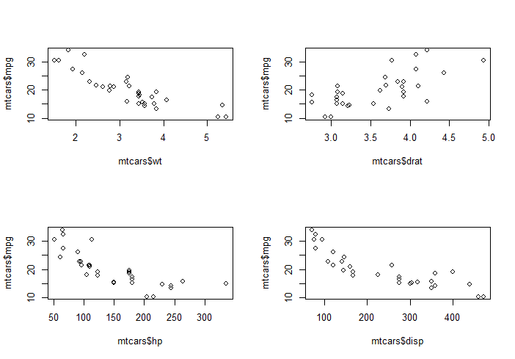
R
 |  |  |  |  |  | Understand Data
 |  |  |  |  |  | Data | open up
 |  |  |  |  |  | what is inside |  |  | mallayalam
 | Practice |  | syntax |  |  | EDA 50% Business Prob
 |  |  | damm easy
 |  |  | many many
SAS
Julia
 |  |  |  |  |  | tamil
 |  | for ---> MONEY
 |  | BC SC |  |  |  |  |  |  |  |  | telugu

Python
 |  | analysis report

 | whatsapp | dm ml ai …..alone
 | longlife
 | post in the group

 | sharing of matl----saurabh & divya |  |  |  |  |  |  |  | kannada
 | 24*7, timeslot separate indv through whatsaap
 | give a name :
 | daily time | 30 mnt ---> known to me
 |  | 10, 30 mnts |  |  |  |  | Assumption 4 #
 |  |  |  |  |  | 1 | Data should be approx normal ---> histogram of residuls
 | 1. Don’t have any lind of fear from me |  |  |  |  | 2 | Linearity
 | 2. bachon wale sawal |  |  | inquisitive |  | 3 | Independnce of errors ---> error (y), obs nos (x) [There should not be any pattern] |  |  |  |  |  |  |  |  |  | 21
 |  |  |  |  |  | 4 | Constant error variance/Heteroscedasticity |  |  |  |  |  |  |  |  |  | 23
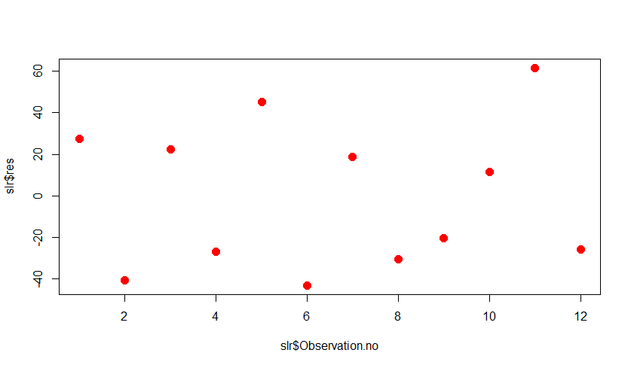
 |  |  |  |  |  |  |  |  | Hetero sca das ti city |  | ----> y axis (errors) x (predicted /fitted values) |  |  |  |  |  | 12
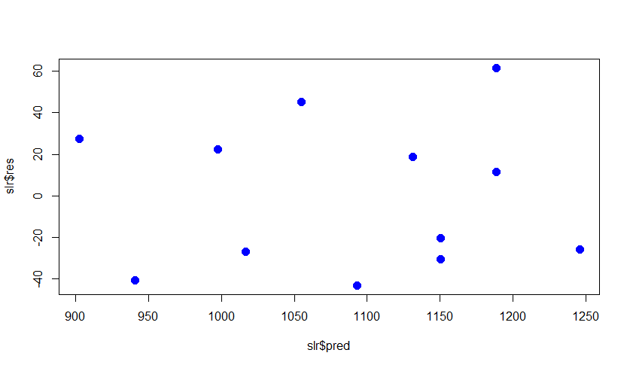
 |  |  |  |  |  |  |  |  |  |  |  |  |  |  |  |  | 45
 |  |  |  |  |  |  |  |  |  |  |  |  |  |  |  |  | 32

 |  |  |  |  |  |  |  |  |  |  |  |  |  |  |  | 25

 |  |  |  |  |  |  |  |  |  |  |  |  |  |  |  | Age
 |  |  |  |  |  |  |  |  |  |  |  |  |  | var_d | Dehradun | 25
 |  |  |  |  |  |  |  |  |  |  |  |  |  | var_p | Pune | 23
 |  |  |  |  |  |  | EDA | 7 | +2 = 9 June | 13 june subm , 14 pres |  |  |  | var_m | Mumbai | 32
 |  |  |  |  |  |  | Lin Reg |  |  | 2020-06-22
 |  | Less Pr | More Pr
 |  | simple
 |  | Cost eff | Costly |  |  |  |  |  | Model Building | Training

 |  |  |  |  |  |  |  |  |  | Testing
 |  |  |  |  |  |  |  |  |  | Good EDA | 90+
 |  |  |  |  |  |  |  |  | Good Model | less prdctrs, high R Sqr, low SE(estimate), F test should support
 |  |  |  |  |  |  |  |  |  | all pred , <= 0.05 p value, ALL assumptions should not violate,
 |  |  | 1 |  |  |  |  |  |  | MC, Htky, AC
 |  |  | 2 |  |  |  |  |  |  | Lowest RMSE value
 |  |  | 3
 |  |  | 4
 |  |  | 5 |  |  |  | Names | Section --------> categorical -----> FACTOR
 |  |  | 6 |  |  |  | Krsi | A
 |  |  | 7 |  |  |  | Divya | B
 |  |  | 8 |  |  |  | madhu | B
 |  |  | 9 |  |  |  | sneha | A
 |  |  | 10 |  |  |  | nisarg | A
 |  |  |  |  |  |  | tajendra | B
 |  |  |  |  |  |  | vgodara | B
 |  |  |  |  |  |  |  | Groupig
 |  |  |  |  |  |  | No Grouping

200520fdp
Age |  | Age | Age 2 | Weight
16 |  | 21 | 5 |  |  | max
18 |  | 23 | 23 |  |  | min
18 |  | 24 | 24 |  |  | avg
18 |  | 21 | 21 |  |  | median
19 |  | 11 | 11 |  |  | mode
20 |  | 15 | 15 |  |  | range
20 |  | 16 | 16 |  |  | skew
21 |  | 32 | 55 |  |  | kurto
25 | AVG | 20.375 | 21.25 |  |  | percentile
25 |  |  |  |  |  | normalcy
28 |  |  |  |  |  | std dev |  | SD/SQRT(N)
29 |  |  |  |  |  | variance |  | 3.4323946937 |  | se |  |  | jallandhar | popu age | 2lac |  |  | se of mean
30 |  |  |  |  |  | quartile |  |  |  | sd
30 |  |  |  |  |  | decile | 90% |  |  | range |  |  |  |  | 21 |  | exam | 50
30 |  |  |  |  |  |  |  |  |  | mean |  |  |  | CENTRAL TENDENCY |  |  |  | 10 | 5 | 10-12
32 |  |  |  |  |  | xbar, x (two bars above x= sample) |  |  |  | skew |  |  |  |  |  |  | 13:00:00 | 16:00:00
35 |  |  |  |  |  | GREEK ; µ |  |  |  | variance |  |  |  |  |  |  |  | 45
36 |  |  |  |  |  |  | enemy no 1 |  |  |  |  |  |  | A | B |  | modi | 55
38 |  |  |  |  |  |  | s korea | n korea |  |  |  |  | avg % | 76 | 79 |  | uncle R | 47
40 |  |  |  |  |  |  | israel | pale |  |  |  |  | sd | 4 | 7 |  | JF | 48
40 |  |  |  |  |  |  | india | pak |  |  |  | coe of var | sd/mean | 0.052631578947 | 0.088607594937 |  | Uncertain | 100
45 |  | 37.77 | +-, 3.43 *(?) |  |  |  | japan | Std Dev | variation |  |  | varition |  |  |  |  |  | 75
56 | pop mean | 37.77 | ? = Zcrit | 2.045 |  |  | QUALITY ---> CONSISTENCY |  |  |  |  |  |  |  |  |  |  | 85 | 85-95
56 | Ho: | 40 |  |  |  |  |  |  |  |  |  |  | LadyF |  |  |  |  | 95
58 |  | 31-45 | TRUE | shrey | mother laws |  |  |  |  |  |  |  | a | b |  |  |  | 70
59 | As per the evidence thrown by the |  |  | 1 | moving bodies ---> Newton Laws of Motion |  |  |  |  |  |  |  | 40 | 65 |  |  |  | 90
65 | sample, we are 95% confident that |  |  | 2 | inorganic ---> madleafe periodic table |  |  |  |  |  |  |  | 2500 | 20000
72 | mean age of pop lies between |  |  |  | electrical ----> v = c*r
73 | 31 and 45 |  |  |  | BS PLA --------> Debt Crdt laws |  |  |  |  |  | LOS 90% |  |  |  |  |  |  |  | on going concern
81 |  | 38-49 |  |  | stat infere ---> NORMAL DISTRIBUTION CURVE |  |  |  |  |  | 1.64
APPROXIMATION
 |  |  |  |  |  |  |  |  |  |  |  |  |  |  |  |  |  | rules | debt credit
 | Hypothesis ---> assumption, belief, trust |  |  |  |  |  |  |  |  |  |  |  |  |  |  |  |  | practices
Ho = | Pop mean = 40 |  | You , BEST OF KNOWLEDGE |  |  |  |  | N | L
 |  | TRUE…..FALSE |  | exact answer |  |  |  | N |  |  |  |  |  |  |  |  |  | Ho: no word should be there
 |  |  |  |  |  |  |  | N |  |  |  |  |  |  |  |  |  | bias /partiality
 | coomerce ; HE , Ho? |  |  |  |  |  |  | N
 |  |  |  |  |  |  |  | N
Now onwards, FORGET
z
 |  |  |  |  |  |  |  | N
 |  |  |  |  |  |  |  | N |  |  |  | Z crit
 | cell size in rats ? |  |  |  |  |  |  | N | 1 | little flatter bump |  | t crit
 |  |  |  |  |  |  |  | N | 2 | slightly thk tails
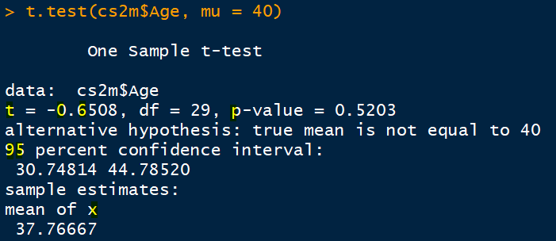
 |  |  |  |  |  |  |  | N |  |  | student
 |  |  |  |  |  |  |  | N
 |  |  |  |  |  |  |  | N
 |  |  |  |  |  |  |  | N
 |  |  |  |  |  |  |  | N |  | small----> t dist
 |  |  |  |  |  |  |  | N |  | large ---> t dist
 |  |  |  |  |  |  |  | N
 |  |  |  |  |  |  |  | N |  |  |  | LOS 5%, CL 95 |  | t crit [alpha/2, df] 0.025, n-1 {30-1 = 29}
 |  |  |  |  |  |  |  | N |  |  | n | Z Crit | t crit | =tinv(0.05,29)
 |  |  |  |  |  |  |  | N |  |  | 30 | 1.96 | 2.0452296421
 |  |  |  |  |  |  |  | N |  |  | 50 | 1.96 | 2.0095
 |  |  |  |  |  |  |  | N |  |  | 100 | 1.96 | 1.983971
 | 1 Ho: |  |  |  |  |  |  | N |  |  | 200 | 1.96 | 1.971896
 | Ha |  |  |  |  |  |  | N |  |  | 500 | 1.96 | 1.96472
 |  |  |  |  |  |  |  | N |  |  | 1000 | 1.96 | 1.96234
 |  |  |  |  |  |  |  | N |  |  | 10000 | 1.96 | 1.960201
 |  |  |  |  |  | 100 |  | N | H

 |  |  |  |  |  |  |  |  |  |  | 2 data series
 |  |  |  |  |  |  |  |  |  | subject |  |  |  |  |  |  |  | paired |  | indp
 |  |  |  |  |  |  |  |  |  | rest | bef | afte |  |  |  |  |  | subjects |  | subjects are
 |  |  |  |  |  |  |  |  |  | 1 |  |  |  |  |  |  |  | are same |  | different
 |  |  |  |  |  |  |  |  |  | 2 |  |  |  |  | with | without |  | 2 data series |  | ANOVA ----One Way
 |  |  |  |  |  |  |  |  |  | 3 |  |  |  | sw1 | spd |  |  | chk1 | ars1 | J
 |  |  |  |  |  |  |  |  |  | 4 |  |  |  | sw2 |  | spd |  | chk2 | ars2 | L
 |  |  |  |  |  |  |  |  |  | 5 |  |  |  | sw3 |  |  |  | chk3 | ars3 | J

 |  |  |  |  |  |  |  |  |  | n
 |  |  |  |  |  |  |  |  |  |  |  |  |  | sw_n |  |  |  | chn_n | ars_n | L
 |  |  | -1.9599639845

 |  |  |  |  |  |  | categ
 |  |  |  |  | org |  | data |  |  |  |  | categ
 |  |  |  |  | 5 |  | 5 |  |  |  |  | m
 |  |  |  |  | 5 |  | 5 |  |  |  |  | m
 |  |  |  |  | 5 |  | 5 |  |  |  |  | m
 |  |  |  |  | 7 |  | 7 |  |  |  |  | nk
 |  |  |  |  | 7 |  | 7 |  |  |  |  | nk
 |  |  |  |  | 12 |  | ? | mode = 4 | correct/incorrect? |  |  | ?
 |  |  |  |  | 4 |  | 4 |  | knowing what was there |  |  | f
 |  |  |  |  | 4 |  | 4 |  |  |  |  | f
 |  |  |  |  | 4 |  | 4 |  |  |  |  | f
 |  |  |  |  | 4 |  | 4 |  |  |  |  | f
 |  |  |  |  | 4 |  | 4 |  |  |  |  | f
 |  |  |  |  | 4 |  | 4 |  |  |  |  | f
 |  |  |  |  | 4 |  | 4 |  |  |  |  | f
 |  |  |  |  | 4 |  | 4 |  |  |  |  | f
 |  |  |  |  | 4 |  | 4 |  |  |  |  | f
 |  |  |  |  |  |  |  |  |  |  |  |  |  |  | Class
 |  |  |  |  |  |  |  | ENSEMBLE MODELS --> BAGGING ---> RF |  |  |  |  |  |  | 500 RF
 |  |  |  |  |  | Tree | Prun | Trees |  |  | DS1 | DS2 |  |  | Log
 |  |  |  |  |  | 700 |  | 500 |  | A | A | A |  |  | SVM
 |  |  |  |  |  |  |  |  |  | B | A | A |  |  | Neu Net
 |  |  |  |  |  |  |  |  |  | C | B | B
 |  |  |  |  |  |  |  |  |  | D | C | C
 |  |  |  |  |  |  |  |  | Tr1 | Tr2 | Tr3 | Tr4 | Tr5
 |  |  |  |  |  |  | Row1 | Case 1 | 0 | 0 | 1 | 0 | 0 | ?? | max vote

Ho = 0
 |  |  |  |  |  |  |  |  |  |  |  | Predictors = ALL
 |  |  |  |  |  |  |  |  |  |  |  | n, SQRT(n) = SQRT(8) = 3

 |  |  |  |  |  | Row 700 |  | PAIRED SAMPLE T TEST

-0.51
 |  |  |  |  |  |  |  |  |  | -0.87 |  |  | -0.51 |  |  | 0

 |  |  |  |  |  |  |  | Mean diff |  |  |  |  |  |  |  |  |  |  | Mean diff

 |  |  |  |  |  |  |  | expensv | Type I | dangerous
 |  |  |  |  |  |  |  |  | Type II |  |  |  | we fail to reject H0 |  |  |  |  | Ho
 |  | Obs no | sales IT |  |  |  |  |  |  | if we accept Ho |  |  |  |  |  | correct |  | accep
 |  | 1 |  |  |  |  |  |  | age | which was |  |  | We wanted to reject |  |  | incorrect
 |  | 2 |  |  | cat 1 <= 500 cr |  |  | 1 | 30 |  |  |  | B, SB, IQ
 |  |  |  |  | cat2 >500 <= 1000cr |  |  |  | 24 |  |  |  | DP | AB | there is difference |  | null====0, no diff
 |  |  |  |  | cat3 > 1000cr |  |  |  | ?? |  |  |  | Ho: No Difference |  | unbiased, impartial
 |  |  |  |  |  |  |  |  | skip NA Missing Values
 |  |  |  |  |  |  |  |  |  |  |  |  | mistakes ?.....yes….. |  | LESS
 |  |  |  |  |  |  |  |  |  |  |  |  | Reject, LOS, 5% |  | LOS 5% = DESIGNED LOS [TYPE I ERROR]
 |  |  |  |  |  |  |  |  | SALES |  |  |  |  | P value = | OBSERVED LOS
 |  |  |  |  |  |  |  | A | 21
 |  |  |  |  |  |  |  | B | 23 |  | Ho: no diff
 |  | 500 |  |  |  |  |  | C | 26 |  | Ha: at least one city's sales is different from others
 |  |  |  |  |  |  |  | D | 28

 |  |  |  |  |  | exact |  |  | 21 | 21 | 21 | 21 |  |  | 10
 |  |  |  |  |  | 2 H, 1 O =H20 |  |  | 23 | 23 | 23 | 23 |  |  | 9 coron same, 1 different
 |  |  |  |  |  |  |  |  | 26 | 26 | 26 | 26
 |  |  |  |  |  | 0.05 |  |  | 28 | 28 | 28 | 28 |  |  | jalga | manamd | bha | amba | sonipat | mumbi
 |  |  |  |  | 1 | Re do the sampling
 |  |  |  |  | 2 | accept
 |  |  |  |  | 3 | reject |  |  | Rule: if observed los, p_value <= 0.05, reject

SATYA
Adrashya
Invisible
Jinka koi meaning na ho
Accept
Reject
 |  |  |  |  |  |  |  |  |  | Ho
 |  |  |  |  |  |  |  |  |  | Reject---- | accept
 |  |  |  |  |  |  |  |  |  |  | error

 |  |  |  |  |  |  |  |  |  | Accept -----reject
 |  |  |  |  |  |  | Sample evidence |  |  |  | error

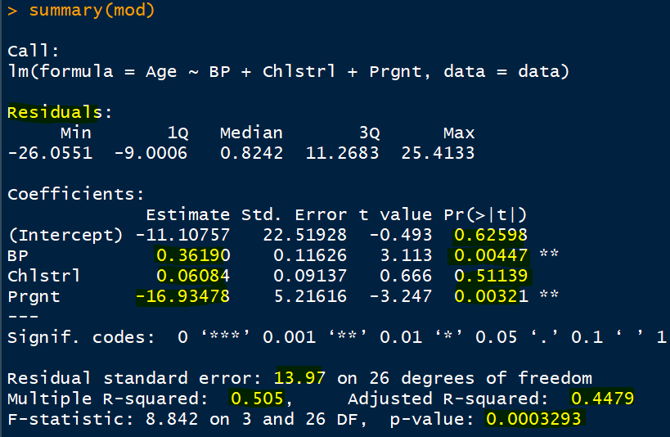
 |  |  |  |  |  |  |  |  |  |  |  | actua-obsr ======residuals, error
RSS2 | 13500000000 |  |  |  |  |  |  |  |  |  |  | prediction | Age, Actual obsvd
RSS1 | 156945458 |  |  |  |  |  |  |  |  |  |  | Age
F_stat | 86.017143612
 |  |  |  |  |  |  |  |  |  |  |  |  |  | Reg Anal…...techques
 |  |  |  |  |  |  |  |  |  |  |  | Ho? | Slope between BP vs Age is insignificant [0] |  |  |  |  |  | rejec
 |  |  |  |  |  |  |  |  |  |  |  |  | gajab kaa FANTASTIC |  |  | slope is signi [good]
 | 0, Not Prgnt
 | Reference
 |  |  |  |  |  |  |  |  |  |  |  |  | Research |  |  | ML Data Scientis
 |  |  |  |  |  |  |  |  |  |  |  |  | validility
 |  |  |  |  |  |  |  |  |  |  |  |  | correctness of the model
 |  |  |  |  |  |  |  |  |  |  |  |  | Assumptions |  |  | Predict with reasonable and accpt accuracy
 |  |  |  |  |  |  |  |  |  |  |  | 1 | errors residulas HIST
 |  |  |  |  |  |  |  |  |  |  |  | 2 | errors vs obs n Scatter |  |  | reg
 |  |  |  |  |  |  |  |  |  |  |  | 3 | Linearity , Age vs pr1, pr2…pr3 |  |  | svm
 |  |  |  |  |  |  |  |  |  |  |  | 4 | CEV |  |  | dt
 |  |  |  |  |  |  |  |  |  |  |  |  | Heteroscedasticity |  |  | ne
 |  |  |  |  |  |  |  |  |  |  |  |  |  |  |  | ge a |  | Independence of error
 |  |  |  |  |  |  |  |  |  |  |  |  | Multicollinearity |  |  | fl |  | Constant Error Variance
 |  | sqrt, cube, log, …... |  |  |  |  |  |  |  |  |  |  | Autocorrelation
 |  |  |  |  |  |  |  |  |  |  |  |  | cook's distance
 | if Prgnt is changed by 1 unit, age will be |  |  |  |  |  | Cross Validate via Bootstraping =5 data sets |  |  |  |  |  | liverage
 | changed by 16.93 in opposite direction |  |  |  |  | ORG | 1 | 2 |  |  |  |  | Weather of India |  | Weather of Ireland
 |  |  |  |  |  | A | A | B
 | O | Not prgnt |  |  |  | B | A | A |  |  |  |  |  | 0.6
 | 1 | Prgnt |  |  |  | C | B | B |  |  |  |  |  | 0.23
 |  |  |  |  |  | D | C | C |  |  |  |  | sales of HL -----advrt
 | happening of the event = 1 |  |  |  |  |  |  |  |  |  |  |  |  | 0.2
 | not = 0

 | With ref to not pregnant group, the mean age of Prgnt group is less by 17 years
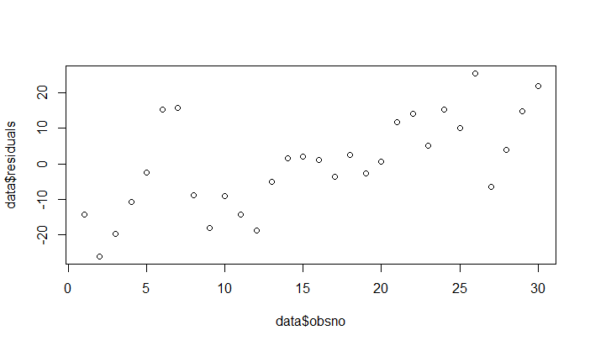

 |  |  | Age |  |  | Sales

 |  |  |  |  |  |  |  |  |  |  |  |  | angle
 |  |  |  |  |  |  |  |  |  |  |  |  | tan theta = b/p = 1/0.362

 |  |  |  |  |  |  |  |  |  |  |  |  | theta = tan inverse (1/0.362)

 |  |  |  |  |  |  |  |  |  |  |  |  | Advt

 |  |  |  |  |  |  |  |  |  |  |  |  |  | BP
 |  |  |  |  |  |  |  |  |  |  |  |  |  | Prgnt
 |  |  | 1 | Phd | Eng Lit | Eng Lit
 |  |  | 2 | FIN |  | Eng Lit
 |  |  | 3 | ACC |  | Eng Lit
 |  |  | 4 | MK |  | Eng Lit
 |  | FACULTY | 5 | HR |  | Eng Lit
 |  |  |  | width |  | depth

 |  | 5 yers ----syll
 |  | 6th

 |  | 8th |  |  |  | With ref to CIgroup, the mean age of NI group is less by 11 years

 |  |  | Region |  |  |  | Age is RV
 |  | 2 | North India
 |  | 1 | Central India |  |  |  | North India |  | -11
 |  | 3 | South India |  |  |  | South India |  | 5

Type I & II



 | aparna aprtmnt Hyd
 |  |  |  | Type II Error


Type I Error |  |  | Accept Ho, when its not correct
Rej Ho, when its correct

 |  | New York




 | Ho: Building is having cases of covid-19 |  |  |  | Ho: Building is having cases of covid-19
 |  |  |  |  |  | Accepted Ho
 |  | Rejected Ho |  |  |  | Truth was THERE WERE NO CASES!
 |  | Truth was THERE WERE many CASES! |  |  |  | Loss?? C O S T

 |  | Loss?? ---H U G E !!

Hyp Testing
 |  |  |  |  |  | Age
 |  |  |  |  |  | 16
 |  |  |  |  |  | 18 |  |  |  |  |  |  |  |  |  |  |  |  |  | 21 | H
 |  |  |  |  |  | 18 |  |  |  |  |  |  |  |  |  |  |  |  |  | 23 | H
 |  |  |  |  |  | 18 |  | Chennai = 40, sumanth |  |  |  |  |  |  |  |  |  |  |  | 22 | H
 |  |  |  |  |  | 19 |  | naveen, Panchkula = 30-40 |  |  |  |  |  |  |  |  |  |  |  | 43 | H
 |  |  |  |  |  | 20 |  | sonam, delhi, 40-60 |  |  |  | assumption, approximation, estimation, |  |  |  | Hypothesis |  |  |  | 18 | L
 |  |  |  |  |  | 20 |  | vivek, mumbai, = 30-35 |  |  |  | Guess, Trust, Believe,
 |  |  |  |  |  | 21 |  | rajanna, BLR, = 25-35
 |  |  |  |  |  | 25 |  | parth, delhi, 30-35 |  |  |  |  |  |  |  |  | Testing
 |  |  |  |  |  | 25 | Step1 |  |  |  |  |  |  |  |  |  | software , hardware test,
 |  |  |  |  |  | 28 | Null Hyp NO | Ho: Mean age of C/D/B is = 40; The Mean age of …. Is NOT DIFFERENT FROM 40 |  |  |  |  |  |  |  |  | AMIT
 |  |  |  |  |  | 29 | Alternative Hyp | Ha: Mean age of C/D/B is NOT Equal to 40 |  |  |  |  |  |  |  |  | Dr, fever, dengu ?
 |  |  |  |  |  | 30 |  |  |  |  |  |  |  |  |  |  | Testing
 | UB 45 |  |  |  |  | 30 | Step2: LOS ? |  | Type II Error |  |  |  |  |  |  |  | Ho: There is NO dengu
 | LB 31 |  |  |  |  | 30 | 95% CL, 5% LOS, alpha, Type I Error |  |  |  |  |  |  |  |  |  | Ho: There is dengu
As per the evidence thrown by the sample, |  |  |  |  |  | 32 |  |  |  |  |  |  | xbar = | 37.77
we are 95% confident, that |  |  |  |  |  | 35 | Step3 |  |  |  |  |  | mu = | 40 |  |  | H1 = Rangana
Mean Age of Population will lie between 31 & 45 |  |  |  |  |  | 36 | Survey/Collect Data |  |  |  |  |  | Hypothesized Pop Parameter |  |  |  | H2 = Deepika
 |  |  |  | 35 |  | 38 | Test Statistics |  |  |  |  |  | sd = | 18.8 |  |  | B/IQ/SB
 |  |  |  |  |  | 40 |  |  |  |  |  |  | n = | 30 |  |  | Ho: R< D
 | 2.2 e-16 |  |  |  |  | 40 |  | -0.65 |  |  |  |  | num = | -2.23 |  |  | HO: R is not as beautiful as D
 |  |  |  |  |  | 45 |  |  |  |  |  |  | denom = | 3.4323946937 |  |  | Ho: R = D, unbiased, impartial
 | 2.2/10000000000000000 |  |  |  |  | 56 | Step4 | =TINV(0.05,29) |  |  |  |  | t stat = | -0.64969218257 |  |  | There is NO difference between R D wrt B/IQ/SB
-0.65/40
 | 2.2E-16 |  |  |  |  | 56 | Critical Value of t , n=30, df = (n-1) = 2.045
 | 0 |  |  |  |  | 58 |  |  |  |  |  |  |  |  |  |  | Paired/Amar_Priyanka
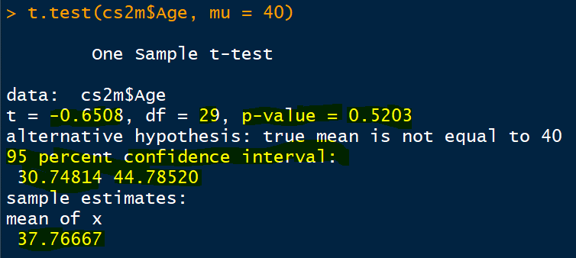
2.045/45
 |  |  |  |  |  | 59 |  |  |  |  |  |  |  |  |  |  |  | Q1 | Q2 | Ho: meanQ1 = meanQ2
-2.045/31
 |  |  |  |  |  | 65 | Method 2 |  |  |  |  |  |  |  |  |  |  | Before | After
 |  |  |  |  |  | 72 | UB LB |  |  |  |  |  |  |  |  |  | s1 |  |  | respondent/observ/cases/subject
 |  |  |  |  |  | 73 |  |  |  |  |  |  |  |  |  |  | s2
 |  |  |  |  |  | 81 |  |  |  |  |  |  |  |  |  |  | s3
37.77
0.025
 |  |  |  |  |  |  |  |  |  |  |  |  |  |  |  |  | sn
0.025
 |  |  |  |  |  |  |  |  |  |  |  |  |  |  |  |  | Independent Sample T Test
 |  |  |  |  |  |  | Method3
 |  |  |  |  |  |  | p_value, sig_value |  |  |  |  |  |  |  |  |  | Age vs Prgnt |  | Ho:meanAge_NP = meanAge_P
 |  |  |  |  |  |  | p value <= 0.05; REJECT ZONE |  |  |  |  |  |  |  |  |  | Data Series1_NOT PRGNT |  |  | Data Series2_PRGNT
 |  |  |  |  |  |  | p value > 0.05, ACCEPT Ho
 |  |  |  |  |  |  | 0.5208084365 | =tdist(test_stat,df,2) |  |  |  | Acceptance Zone |  |  |  |  |  | Mean Age |  | Mean Age
 |  |  |  |  |  |  |  | =tdist(0.65,29,2) |  | test stat TO BE TAKEN POSITIVE ALWAYS ; df = (n-1), 1 or 2 tails…go for 2 |  |  |  |  |  |  | r1 = julie |  |  | r1 = NOT julie

 | amar; mother |  |  |  |  |  |  | f/r |  | f/r |  | f/r |  |  |  | f/r
 | adity; both not tym |  |  |  |  |  | young/elder | dol/kajol |  | bobby/mary |  | jacqly/helen |  |  |  | aneeta/vineeta
 | vysh: |  |  |  |  |  | gym | H1 |  | H2 |  | H3 |  |  |  | H25
 | aaliya: child is notor |  |  |  |  |  |  | C1 |  | C2 |  | C3 |  |  |  | C25
 | pranoy: woke up late |  |  |  |  |  | Ho: There is NO difference between younger sisters & elder sisters wrt weight loss
 | sailaja: un-noticed |  |  |  |  |  | subject= dol, kajol, bobby…...y/e
 |  |  |  |  |  |  | variable of interest: wt loss….
 | Mom was a working lady |  |  |  | V1= Categ | V2=Categ
 |  |  |  |  | W/nw [1/0] | H/nh[1/0] | Ho: There is NO ASSOCIATION between Pkgn/Profs
 |  |  |  | 1 | 1 | 1 |  |  | Pckg
 |  |  |  | 2 | 1 | 1 |  |  | 0 | 1 |  |  |  | Alpha=5%
 |  |  |  | 3 | 0 | 1 | Profs | 0 | 43 | 23 |  |  | xbar +, - t_crit * SE(mean)
 |  |  |  |  |  |  |  | 1 | 12 | 78
 |  |  |  |  |  |  |  |  |  |  | 100
 |  |  |  |  |  |  |  | Contingency Table
 |  |  |  |  |  |  |  |  |  |  |  | 80 | 95% | 99% | 100%
 |  |  |  |  |  |  |  |  |  |  | LB | 32 | 30 |  | 0
 |  |  |  | 100 | 1 | 0 |  |  | data |  | UB | 39 | 40 |  | 110
 |  |  |  |  |  |  |  |  | 1
 |  |  |  |  |  |  |  |  | 1
 |  |  |  |  |  |  |  |  | 1
 |  |  |  |  |  |  |  |  | 1
 |  |  |  |  |  |  |  |  | 0
 |  |  |  |  |  |  |  |  | 0
 |  |  |  |  |  |  |  |  | 0
 |  |  |  |  |  |  |  |  | 1
 |  |  |  |  |  |  |  |  | 1
 |  |  |  |  |  |  |  |  | 1
 |  |  |  |  |  |  |  |  | 100

 |  |  |  |  |  |  |  |  | What is the mean Age of population ?
 |  |  |  |  |  |  | Age
 |  |  |  |  |  |  | 16 |  | approx = pop = 35 lakhs |  |  | each data point AT THE SAME TIME |  |  |  | EXACT
 |  |  |  |  |  |  | 18 |  | sample size ? = 5%,
 |  |  |  |  |  |  | 18
 |  |  |  |  |  |  | 18 |  | 100# |  | Conclusion = xx Years
 |  |  |  |  |  |  | 19 |  | 400# darshana
 |  |  |  |  |  |  | 20 |  | 500#
 |  | Pune |  |  |  |  | 20 |  | 1000# |  | smaller ---------------------------------------------------------------------------------------larger
 |  |  |  |  |  |  | 21 |  | 12,000 |  |  |  |  | Trade off: Resources Vs Accuracy
 |  |  |  |  |  |  | 25
 |  |  |  |  |  |  | 25 |  | Approximation
 |  |  |  |  |  |  | 28 |  |  |  | confusions
 |  |  |  |  |  |  | 29
 |  |  |  |  |  |  | 30
 |  |  |  |  |  |  | 30 |  | Our conclusion is far away from reality?
 |  |  |  |  |  |  | 30
 |  |  |  |  |  |  | 32 |  | 1 | sample size is less; diff time, samplig method, correctns of data,
 |  |  |  |  |  |  | 35 |  |  | SPSS Step by step for windows…..Darren George Paul Mallery…pg 99/101…..skew & kurt +-1, +,-2 under the guidance of some expert
 |  |  |  |  |  |  | 36 |  |  | pp plot and qq plot …
 |  |  |  |  |  |  | 38 |  | Kolmogorov - smirnov; Shapiro-Wilk, Jacque - Bera, Anderson-Darling
 | Overall Satisf of a Brand is dependnt on age, gender |  |  |  |  |  | 40 |  |  |  |  |  |  | Dr of Normalcy testing
 | Y= Over All |  |  |  |  |  | 40
 |  |  |  |  |  |  | 45
 | Age and Y |  |  |  | Gender |  | 56
 | Ho: |  |  |  | Ho: |  | 56 |  | 1st Point ====> assumption about pop=====> 40 years |  |  |  |  |  | mu…..Ho:
 | y ~ age |  |  |  |  |  | 58 |  | Ho: mu = 40
 |  |  |  |  |  |  | 59 |  | Ha: mu is not equal to 40 |  |  |  | 1
 | Ha: |  |  |  |  |  | 65
 |  |  |  |  |  |  | 72 |  |  |  |  |  |  |  |  |  | acad score …...hrs studied
 |  |  |  |  |  |  | 73
 |  |  |  |  |  |  | 81 |  |  |  |  |  |  |  |  |  | Overall Acad Score is dependent on hrs studied
 |  |  | 3 param: IQ, B, SB…1-5 |  |  |  |  |  |  |  | Y= Over All
 |  |  |  |  |  |  |  |  |  |  | 1-5 |  |  |  |  |  | Overall Acad Score is NOT dependent on hrs studied
 |  | Dr Gorakh |  |  |  |  |  |  | Resp 1(geeta) |  | 4 |  | 18 | F
 |  |  | H1 |  | H2 |  |  |  |  |  |  |  |  |  |  |  | CV is…..temp
 |  |  | Madhuri |  | Deepika |  |  | 1 | UNBIASED |  | STATUS QUO
 |  |  |  |  |  |  |  | 2 | NO , NEGATION |  |  |  |  |  |  |  | CV is not dep temp
 |  | Ho: | 1 | H1 < H2 | sumit, |  |  |  |  |  |  |  | algebra |  |  |  |  | on my mood
 |  |  | 2 | H1 = H2 | favorate, | No point |  |  |  |  |  |  | trignometry |  |  |  |  | on my q sleep
 |  |  | 3 | H1>H2 | aniket , Punam, Darshana |  |  |  |  |  |  |  | chemistry | H2O=WATER |  |  |  | who is my ne
 |  |  |  |  |  |  |  |  |  |  |  |  |  |  |  |  |  | my fav heroen
 |  |  |  | Ho: There is NO Sign difference between H1 H2 |  |  |  |  |  |  |  |  | + SR PERSON
 |  |  |  |  |  |  |  |  |  | <0.05 |  |  | + SR PERSON
 |  |  |  | >0.05 | accept , insignificant |  |  |  | Ho: mu = 40
 |  |  |  |  |  |  |  |  | Ho: There is NO Significant departure of Pop Mean Age from 40
 |  |  | p_value >0.05, we accept
 |  |  | p_value <= 0.05 we reject |  |  |  |  | correl | Ho: There is NO significant correlation

 |  |  |  |  |  |  |  |  | 50
 |  |  |  |  |  |  |  |  | …...thus, we failed to reject Ho…..
 |  |  |  |  |  |  |  | …..we found p value insignificant /significant….

 |  |  |  |  |  |  |  |  |  | 99% TIME
 |  |  |  |  |  |  |  | One Sample T Test |  | POWER OF TEST
 |  |  |  |  |  |  |  |  |  |  |  |  |  | calculators
 |  |  |  |  |  |  |  | NNNNNNNN…..VVVVVVVV…...........pt
 |  |  |  |  |  |  |  |  |  |  |  |  |  | 1-Beta | 70%

 |  |  |  |  |  |  | Ind S T Test |  |  |  | Ho: mu = 40 |  |  | 1 |  | 2
 |  |  |  |  |  |  | 2 |  |  |  |  |  |  | 90% |  | 15%
 |  |  |  |  |  |  | 2+ |  |  |  | accept/reject |  |  |  |  |  |  | sections | marks
 |  |  |  |  |  |  |  |  |  |  |  |  |  |  |  |  |  | A | 78
 |  |  |  |  |  |  |  |  |  |  |  |  |  |  |  |  |  | B | 82
 |  |  |  |  |  |  |  |  |  |  |  |  |  |  |  |  |  | C | 67
 |  |  |  |  |  |  |  |  |  |  | 30 |  |  |  |  | 30 |  | ANOVA -One Way anova
 |  |  |  |  |  |  |  |  |  |  | ACC |  |  |  |  | ACC |  | AB | Ind S T Test
 |  |  |  |  |  |  |  |  |  |  | SD = 12 |  |  |  |  | SD = 5 |  | BC | Ind S T Test
 |  |  |  |  |  |  |  |  | voi | grps |  |  |  |  |  |  |  | AC | Ind S T Test
 |  |  |  |  |  |  |  |  | sales | regions
 |  |  |  |  |  |  |  |  | impact | 3 drugs |  |  |  |  |  |  |  | Ho: means of all groups are same
 |  |  |  |  |  |  |  |  |  |  |  |  |  |  |  |  |  | Ha: at least one group's mean is different from others
 |  |  |  |  |  |  |  |  |  |  |  |  |  |  | Hadoop
 |  |  |  |  |  |  |  |  |  | A | 35 |  |  | SectionA | 65 |  | Red Hat | 17.5
 |  |  |  |  |  |  |  |  |  | B | 35.000001 |  |  | SectionB | 65.1 |  | 15

 |  |  |  |  |  |  |  |  |  |  |  |  |  |  |  |  | 20
 |  |  |  |  |  |  |  |  |  |  |  |  | voi |  |  |  | 19.95
 |  |  |  |  |  |  |  |  |  | One Sample T Test |  | 1 grp | contin
 |  |  |  |  |  |  |  |  |  | Paired | before/after | 2 grps | contin
 |  |  |  |  |  |  |  |  |  | Indp | diff grps | 2 grps | contin
 |  |  |  |  |  |  |  |  |  | anova | 2+ grps |  | contin
 |  |  |  |  |  |  |  |  |  | chiSqare | 2 var |  | categorical |  | 2 catego…...analyse |  |  | gnder/qualf |  | gndr/ac perf
 |  |  |  |  |  |  |  |  |  | one samp prop |  |  |  |  |  |  |  | pers/disease
 |  |  |  |  |  |  |  |  |  | two samp prop |  |  |  |  |  |  |  | sectns/sub

 |  |  |  |  |  |  |  |  | 1 | 80% -----> IMPACT |  |  |  |  |  |  |  | 70% pass
 |  |  |  |  |  |  |  |  |  |  | a ----> b |  |  |  |  |  |  | 80%
 |  |  |  |  |  |  |  |  |  |  | b, continuous-------Linear Regression |  |  |  |  |  |  | 80%
 |  |  |  |  |  |  |  |  |  |  | b, categorical------MDA

 |  |  |  |  |  |  |  |  |  |  | Normal Dist ----single/univariate var |  |  |  |  | age
 |  |  |  |  |  |  |  |  |  |  |  |  |  |  |  | env |  |  |  |  | High
 |  |  |  |  |  |  |  |  |  |  | Multi Var Normality |  |  |  |  | parenthood |  | acad perf in asian urban cities |  |  | Med
 |  |  |  |  |  |  |  |  |  |  |  |  |  |  |  | qual |  |  |  |  | Low

 |  |  |  |  |  |  |  |  | MVA
 |  |  |  |  |  |  |  |  | FA | Data Norm
 |  |  |  |  |  |  |  |  | M Lin Reg |  |  |  |  | sampl -----wife…..rest…pic….KHUSH
 |  |  |  |  |  |  |  |  |  |  |  |  |  | 12#
 |  |  |  |  |  |  |  |  |  |  |  |  |  | ??

 |  |  |  |  |  |  |  |  |  |  |  |  |  | Creating Knowledge

one sample t test
case 2
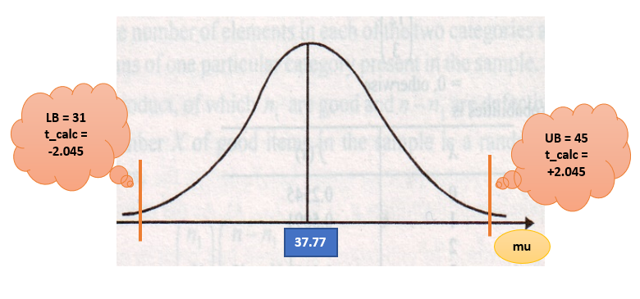
mu=40
t_cal=
-0.65
Ignore the sign of t_calculated, it shows the direction ONLY
 | 2 | 1 | 3 | 4 | 5 | 6 | 7
xbar= | 37.77
sd= | 18.8
mu = | 40 | 37.77 | 35.54 | 44 | 32 | 28 | 47
sem = | 3.43
Z/t calculated or statistics | -0.65014577259 | 0 | 0.65014577259 | -1.8163265306 | 1.6822157434 | 2.8483965015 | -2.6909620991

0.26
Total area from left/right_t dist | 0.52071561936 | 1 | 0.52071561936 | 0.079671260271 | 0.10326587312 | 0.0079975246601 | 0.011699971726
 | 0.26035780968 | 0.5 | 0.26035780968 | 0.039835630136 | 0.05163293656 | 0.0039987623301 | 0.0058499858629
mu=37.77
t_cal=
0
case 1
mu=35.54
t_cal=
0.65
mu=44
t_cal=
-1.82
case 3

case 4
0.5
0.26
0.04

mu=32
t_cal=
1.68

0.052
case 5
mu=28
t_cal=
2.85

case 6
 |  |  |  |  |  |  |  | 0.05

mu=47
t_cal=
-2.70
case 7

0.006

0.004

LB = 31
t_calc = -2.045
UB = 45
t_calc = +2.045

37.77
mu

LB = 31
t_calc = -2.045
UB = 45
t_calc = +2.045

xbar = 37.77

Sheet2
 | xbar = | 37.77
assump | mu = | 37.77 | 38 | 39 | 40 | 41 | 43 | 44 | 45 | 47 | 36 | 35 | 34 | 33 | 32 | 31 | 30
 | se(m) = | 3.43
 | t_cal = | 0 | -0.067055393586 | -0.35860058309 | -0.65014577259 | -0.9416909621 | -1.5247813411 | -1.8163265306 | -2.1078717201 | -2.6909620991 | 0.51603498542 | 0.80758017493 | 1.0991253644 | 1.3906705539 | 1.6822157434 | 1.9737609329 | 2.2653061224
p value | tdist = | 1 | 0.94699778305 | 0.72249140828 | 0.52071561936 | 0.35412983699 | 0.13814630309 | 0.079671260271 | 0.043802578898 | 0.011699971726 | 0.60974242716 | 0.42590706091 | 0.28075473537 | 0.17490571925 | 0.10326587312 | 0.058003993794 | 0.031139211662
 | one tail, p | 0.5 | 0.47349889152 | 0.36124570414 | 0.26035780968 | 0.17706491849 | 0.069073151543 | 0.039835630136 | 0.021901289449 | 0.0058499858629 | 0.30487121358 | 0.21295353045 | 0.14037736768 | 0.087452859623 | 0.05163293656 | 0.029001996897 | 0.015569605831

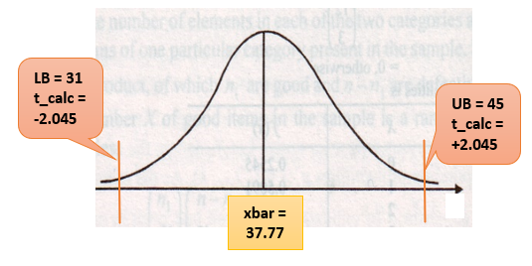
Think and comment based on common sense:
1. What are the chances that population mean is 37.77? [very low or very high] (100%)
2. What are the chances that population mean is 40? [very low or very high] (high)
3. What are the chances that population mean is 35.54? [very low or very high] (high)
4. What are the chances that population mean is 44? [very low or very high] (low)
5. What are the chances that population mean is 32? [very low or very high] (low)
6. What are the chances that population mean is 28? [very low or very high] (very very low)
7. What are the chances that population mean is 47? [very low or very high] (very very low)

 |  |  |  |  | 0.26040421825 | one tail |  |  |  |  |  |  |  |  |  |  | Teach

 |  |  | 65
 | sales DS | Region
1 | xx | 1 |  | 1= N, 2= S, 3, E, 4-W
2 | xx | 2
 |  |  |  | s+e= one group, n+w = another group

 |  |  |  |  |  |  |  |  |  |  |  |  |  |  |  |  |  |  | learner

1000 | xx | 4
 |  |  |  |  |  |  |  |  |  |  |  |  |  |  | 1 | 1 | M | M
 |  |  |  |  |  |  |  |  |  |  |  |  |  |  | 1 | 2 | M | M
 |  |  |  |  |  |  |  |  |  |  |  |  |  |  | 1 | 3 | M | M
 |  |  |  |  |  |  |  |  |  |  |  |  |  |  | 1 | 4 | M | NA | ??M
 |  |  |  |  |  |  |  |  |  |  |  |  |  |  | 1 | 5 | M | M
 |  |  |  |  |  |  |  |  |  |  |  |  |  |  | 0 | 6 | F | F
 |  |  |  |  |  |  |  |  |  |  |  |  |  |  | 0 | 7 | F | F
mu=37.77=xbar, tcal = 0
t_calc
 |  |  |  |  |  |  |  |  |  |  |  |  |  |  |  |  |  | M=4
 |  |  |  |  |  |  |  |  |  |  |  |  |  |  |  |  |  | F=2

 |  |  |  |  |  |  |  |  | 1 | 65 | 80-90 , very high
 |  |  |  |  | Mock Test |  | Final Test |  | 2 | 98 | very less
 |  |  | Large nos | avg = | 65% |  |  |  | 3 | 20 | very less
 |  |  |  |  |  |  |  |  | 4 | 70 | high
 |  |  |  |  |  |  |  |  |  | 75 | high |  | 65, 70, 75,…........98

log Reg
-0.47166 |  | Normlzd | Prcnt | case1 | case2 | exp(B)
income | 0.001387 | 0.010962866944 | 1.0962866944 | 17.6 | 31 | 1.0013879623 |  | The indication is LESS LIKELY or MORE LIKELY
age(-) | -0.061468 | -0.48584391154 | -48.584391154 | 41 | 27 | 0.94038303752 |  |  | y, log(odds) | odds | prob | actual | pred/est
debtinc | 0.126518 | 1 | 100 | 9.3 | 17.3 | 1.1348698787 |  | case1 | -1.7908194 | 0.16682341854 | 0.14297229203 | 1 | 0 | mc
 |  |  |  | 1 | 0 |  |  | case2 | 0.1004624 | 1.1056820673 | 0.52509449763 | 0 | 1 | mc
Varb | Normlzd | Prcnt |  | DEFAULT
Loan takers having more age are less likely to default
income | 0.010962866944 | 1.0962866944 |  |  |  |  |  |  | coeff | odds | odds-1 | (odds-1)*100
age(-) | 0.48584391154 | 48.584391154 |  |  |  |  |  | income | 0.001387 | 1.0013879623 | 0.0013879623294 | 0.13879623294 | 0.14% increase in ODDS of being DEFAULT, by one unit increase in income, TOO LESS, not significant
debtinc | 1 | 100 |  |  |  |  |  | age(-) | 0.061468 | 1.0633964673 | 0.063396467297 | 6.3396467297 | 6.34% DECREASE in ODDS of being DEFAULT, by one unit increase in age, significant
 |  |  |  |  |  |  |  | debtinc | 0.126518 | 1.1348698787 | 0.13486987865 | 13.486987865 | 13.5% increase in ODDS of being DEFAULT, by one unit increase in debtinc, significant
Varb | Prcnt |  |  |  |  |  |  | with -age | -0.061468 | 0.94038303752 | -0.059616962485 | -5.9616962485 | 6%
income | 1.0962866944
age(-) | 48.584391154
debtinc | 100

Loan takers having more debtinc are MORE likely to default

 | SOURCE: https://www.displayr.com/how-to-interpret-logistic-regression-coefficients/, last accessed 5/4/20
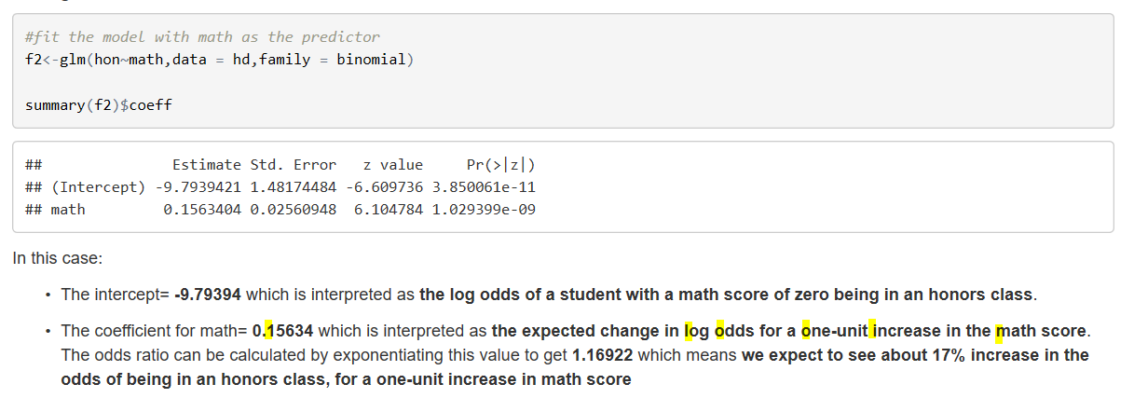
 |  |  |  |  |  |  |  |  |  |  |  |  |  | coeff | odds | odds-1 | (odds-1)*100
 |  |  |  |  |  |  |  |  |  |  |  |  | income | 0.001387 | 1.0013879623 | 0.0013879623294 | 0.13879623294 | 0.14% increase in ODDS of being DEFAULT, by one unit increase in age TOO LESS, not significant
 |  |  |  |  |  |  |  |  |  |  |  |  | age(-) | 0.061468 | 1.0633964673 | 0.063396467297 | 6.3396467297 | 6.34% DECREASE in ODDS of being DEFAULT, by one unit increase in age, significant
 |  |  |  |  |  |  |  |  |  |  |  |  | debtinc | 0.126518 | 1.1348698787 | 0.13486987865 | 13.486987865 | 13.5% increase in ODDS of being DEFAULT, by one unit increase in debtinc, significant

 |  |  |  |  |  |  |  |  |  |  |  |  | coeff= | 0.15634 | expected change in LOG OF ODDS BEING 1 for 1 unit change
 |  |  |  |  |  |  |  |  |  |  |  |  |  | 1.1692236716 | odds
 |  |  |  |  |  |  |  |  |  |  |  |  |  |  | 17% increase in ODDS of BEING 1, for one unit increase

 | Source: https://rpubs.com/OmaymaS/182726,last accessed 5/4/2020

 |  |  |  |  |  |  |  |  | 0= 75% , 1= 25%
 |  |  |  | gender |  |  | Default
 |  | 1
 |  | 2
 |  | 3

 |  |  |  |  |  | M

 |  |  |  |  |  | F

 |  | 700

3may20
Age |  |  | Median Q2 |  |  |  |  | Exploratory Data Analysis
16 | Lowest ------…...........................................................................................> Highest
18
18 |  | 25th Percentile |  | 75th Percentile |  |  |  |  |  |  |  |  | 23
18 |  |  |  |  |  |  |  |  |  |  |  |  | 19
19 |  |  |  |  |  |  |  |  |  |  |  |  | 17
20
20
21
25
25
28
29
30 |  |  |  |  | 37
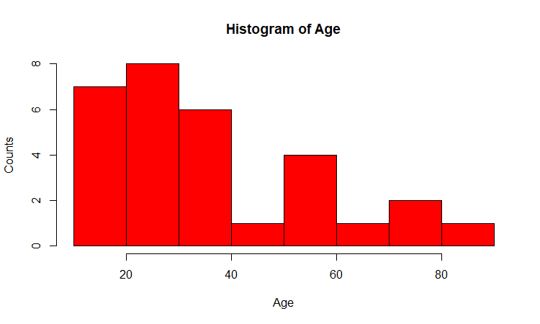
30 |  |  |  |  | 37.77
30
32 |  |  |  |  | 31 |  | Placement Details
35
36 |  |  |  |  |  |  | Convocation ….Director
38 |  |  |  |  |  | 60 |  |  |  | 12 lacs/annum
40 |  |  |  |  |  |  |  |  |  | 7
40 |  |  |  |  |  |  |  |  |  | 3.5
45 |  |  |  |  |  |  |  |  | 15 | not placed = 0
56
56
58 |  |  |  |  | Data Pts | Values
59 |  |  |  |  | 1 | 21
65 |  |  |  |  | 2 | 22
72 |  |  |  |  | 3 | 25
73 |  |  |  |  | 4 | 27 |  |  |  |  |  | 12
81 |  |  |  |  | 5 | 45 |  | extreemly large |  |  | 21 | 21
 |  |  |  |  |  |  |  |  |  |  | 22 | 22
 |  |  |  |  |  |  |  |  |  |  | 25 | 25
 |  |  |  |  |  | North Korea |  | US/SK |  |  | 27 | 27
 |  |  |  |  |  | Israel |  | Palest |  |  |  | 45
 |  |  |  |  |  | Pakis |  | India |  |  | 23.75 | 25.333333333
 |  |  |  |  |  | China |  | the whole world
 |  |  |  |  |  | Japan ----------------> |  | SD
 |  |  |  |  |  | Strength
 |  |  |  |  |  | QUALITY ---------> |  | consistency --------> DEVIATION
 |  |  |  |  |  |  |  |  |  | DP | KK

 |  |  |  | 1 | Mother law of moving bodies ----> |  |  |  | N Law of Motion
 |  |  |  | 2 | Electrical Engg ---------------------? |  |  |  | V= C*R
 |  |  |  | 3 | Inorganic Chem, --------------------? |  |  |  | Mandlf pt
 |  |  |  | 4 | PL….BS --------------------> |  |  |  | Acctng Eq

dt
 | Criterion for partitioning variable and partitioning value in case of CONTINUOUS RESPONSE VARIABLE

 |  | Pred (x) | Y_Axis, RV
 | names | ctc | Outing/month | Predict | error | err^2
1 | priyanka | 16 | 9 | 8 | 1 | 1
2 | nidhi | 11 | 6 | 8 | -2 | 4
3 | jolly | 17 | 10 | 8 | 2 | 4 |  | 8.25
4 | Jacq | 10 | 8 | 8 | 0 | 0
5 | sangeetha | 8 | 7 | 6 | 1 | 1
6
8
6 | shivani | 8 | 8 | 6 | 2 | 4
7 | dolly | 6 | 4 | 6 | -2 | 4
8 | mary | 5 | 3 | 6 | -3 | 9
9 | tina | 6 | 5 | 6 | -1 | 1
10 | rina | 5 | 4 | 6 | -2 | 4
 | bipasha | 12 | ?? | 8 |  | 32
 |  |  |  |  | mse = | 3.2
 |  |  |  |  | rmse= | 1.788854382 | minimum

 | 8, 9 ….. | BEST | rsq, p values, F Sta(anova), assumptions, vif

 | train = rsqr, pvaluse

 | test ===============================RMSE

ensemblers
 |  |  |  |  |  |  |  |  | svd = 1

c
c

c
c
c
c

Ensembles
 |  |  |  |  |  |  |  |  | method |  |  | method
Tree | Pruning | Bagging | RF | clf1 | LR |  |  |  | algo |  |  | algo
 |  | all prdctrs | sqrt(v) | clf2 | SVM
 |  |  |  | clf2 | DT |  |  |  | parameters
 |  |  |  |  |  |  |  |  | coefficients
 |  |  |  |  | voting |  |  |  |  |  | Maxima Minima
 |  |  |  |  |  |  |  | const | ?
Clfs | Predict | Un sup |  |  |  |  |  | coef | ? | x | objective function , Profit , Loss
LogR | Linr | clustering k Mean, HC |  |  | Deep Learning |  |  |  |  | first derivative of x = 0
LDA | DT |  |  |  | Keity Brown------new planet ----
SVM | SVM
DT | NN |  |  |  | Galaxy | size
kNN |  |  |  |  | 7 days
NN

100% clf accuracy engr stat mathe------> improve the method ----Which is the best machine of planet earth
 |  |  |  |  |  | Human Brain |  |  |  | FrakF |  | Not having shadow
 |  |  |  |  |  | store
 |  |  |  |  |  | learn | seen |  |  | 1 pm Delhi May |  |  |  | 2 months
 |  |  |  |  |  | retrieves |  |  |  |  |  |  | shadow

 |  |  | y = | 125

 |  |  | y = | 1/2(y)

